Application - Background
Farm Activity Variation Application Form (FAVA)

Background
There is a growing body of evidence indicating land use and irrigation change has impacted water quality in our district. We need to ensure further changes in farm activities are effectively managed to promote improvements in water quality and ecosystem health.
MHV Water holds resource consent CRC185857 to manage nitrogen loss discharges on behalf of all shareholders. The consent specifies a scheme nitrogen load limit for the Hekaeo/Hinds Catchment and includes specific requirements related to “Significant Change” and effects on sensitive receptors. The consent also includes extensive surface water and groundwater monitoring programmes and require a Remediation and Response plan if water quality trends continue to deteriorate.
Shareholders who wish to vary their farming activities in a way which trigger a “Significant Change”, or potentially impact water quality in the long-term must first seek approval from MHV Water. Applicants with a demonstrated history of excellent environmental performance and continuous improvement will have more flexibility.
The following document specifies the information that must be provided for any proposed land use change to be approved.

Definition of a Farm Activity Variation
A FAVA is required where a Shareholder seeks a Significant Change[1] or to vary the Authorised Land Use (ALU) on their Property for activities at risk of increasing nitrogen losses in the long term. Examples of variations in land use which are not “significant” under the consent, but require approval include, but are not limited to:-
· Long term increase in stocking rate relative to what was permitted
· Increase in irrigated area less than 10 ha
· Any intensification of your dairy system (e.g. move from Dairy system 2 to Dairy system 3)
· Change in land use
· Increase in effective area

Where a proposed variation meets at least one of the above criteria (either for a new property entering the scheme or for an existing property), the change is long term, and likely to result in an increase in nitrogen losses, then the applicant will need to apply for a Farm Activity Variation.

It is noted some changes will also need resource consent from Environment Canterbury as required by the National Environment Standards for Freshwater (2020).

[1] Significant Change means in relation to the farming activity on a Property means:
(a) an increase in the area irrigated by more than 10 hectares;
(b) an increase in the area used for dairy farming (being the use of land by milking dairy cows) (whether irrigated or not) by more than 10 hectares;
(c) any increase in the area used for intensive winter grazing (being the grazing of livestock on annual forage crop at any time in the period 1 May to the following 30 September); and
(d) any increase in the area on a property of dairy support land (being the farming of non-milking dairy cows, including heifers),
as compared to the maximum area used on that Property in any year (being the period of 1 July to 30 June) in the period 1 July 2014 to 30 June 2019. For clarity, any increase in irrigation area, and the area of land used for Dairy Farm Land and Dairy Support Land for the purpose of assessing if a change is “significant” will be defined based on the land use mapped for the property in the MHV QGIS mapping system at the commencement date of resource consent CRC185857 (13th May 2021).
FAVA Application Timeframes
· All “High Risk” and “Significant Change” FAVA applications are reviewed by an Environmental Decisions Panel and approved by the MHV Water board.
· Allow at least 25 working days for processing a FAVA application. Some “High Risk” or “Significant Change” applications may take longer. Check with the Enviro Team for the cut off dates to receive “High Risk” or “Significant Change” applications for approval at the next Board meeting.
· Additional time will be required where there are any issues with the information provided, the Authorised Land Use had not been prepared for the property, external consultation is required or the application impacts a sensitive receptor.
· Please ensure you allow sufficient time for this process, before effecting any changes in farm activity.
· If in doubt, please seek advice from the Irrigo Enviro team in advance of submitting your application, particularly if related to a property sale to ensure due diligence timeframes are achievable.

Note: MHV Water Limited will invoice the applicant $500 for the time spent processing this application.

Please note MHV Water will only approve changes which are scheduled to occur within 12 months of the application being approved.
Once the FAVA is approved an FEP Audit will be carried out within 12 months by an Irrigo Approved Auditor.

NB Robustness
FAVA – Nutrient Budget Robustness Assessment

Date:
Reviewer name:
FEP #:
Farm name:
Farmer:

Purpose of NB Assessment
- enables auditor to undertake a basic assessment of the robustness of the NB
- updates auditor with background information that will be useful to them during audit.
Nutrient budget preparation
Date:
Prepared by:
Company:
 |  | Baseline |  |  |  | Reference Period
 |  | 2009-10 | 2010-11 | 2011-12 | 2012-13 | 2014-15 | 2015-16 | 2016-17 | 2017-18 | 2018-19 | 2019-20 | ALU reference | Scenario | Scenario with reductions
Overseer version:
Type of budget
Data received

Workarounds used | Yes
Follows O/S Best Practice Standards | Yes
Scheme consistency standards applied | Yes

Actual and consented N losses
 |  | Baseline |  |  |  | Reference Period
 |  | 2009-10 | 2010-11 | 2011-12 | 2012-13 | 2014-15 | 2015-16 | 2016-17 | 2017-18 | 2018-19 | 2019-20 | ALU reference | Scenario | Scenario with reductions |  | Comments
N losses to water (KgN/ha/yr)
N losses to water - property (KgN/yr)
GMP N losses to water (KgN/ha/yr)
GMP N losses to water (KgN/yr)

Nutrient budget and farm data comparion
 |  |  |  |  |  | Reference Period
 |  |  |  |  |  | 2014-15 | 2015-16 | 2016-17 | 2017-18 | 2018-19 | 2019-20 | ALU reference | Scenario | Scenario with reductions | Sensible Y/N/? | Comments
Property area (ha)
Effective/Blocked area (ha)
Climate data
Stock numbers
Sheep (Winter)
Beef cattle / dairy support (Winter)
Dairy (Peak cows)
Consented Peak Dairy Cows
Dairy Stocking Rate (cows/ha) |  |  |  |  |  | #DIV/0! | #DIV/0! | #DIV/0! | #DIV/0! | #DIV/0! | #DIV/0! | #DIV/0! | #DIV/0! | #DIV/0!
Total rsu
rsu/eff ha |  |  |  |  |  | #DIV/0! | #DIV/0! | #DIV/0! | #DIV/0! | #DIV/0! | #DIV/0! | #DIV/0! | #DIV/0! | #DIV/0!
Crop area
Arable (ha)
Forage (ha)
Forage yield (T DM)
Supplements
Supplements Imported (TDM)
Supplements Made (TDM)
Supplements Made and Fed out (TDM)
Feed Imported/rsu
Production
Milksolids (KgMS)
kg MS/cow |  |  |  |  |  | #DIV/0! | #DIV/0! | #DIV/0! | #DIV/0! | #DIV/0! | #DIV/0! | #DIV/0! | #DIV/0! | #DIV/0!
Wool
Meat
Pasture Production
Average PP
Average utilisation
Feed Balance
Total DM kg Intake as per Overseer
Total DM kg per RSU |  |  |  |  |  | #DIV/0! | #DIV/0! | #DIV/0! | #DIV/0! | #DIV/0! | #DIV/0! | #DIV/0! | #DIV/0! | #DIV/0!
Fertiliser
Average N added (kg/ha/yr)
May/Jun/July Applications
Effluent
Application depth
Area receiving effluent (ha)
Proposed Rate Eff Application (kg N/ha)
Consented area (ha)
Structures
Type
% MA
Hours/day
Soil Type
Soil Type 1
Soil Type 1 (ha)
Soil Type 1 (PAW@60cm)
Soil Type 2
Soil Type 2 (ha)
Soil Type 2 (PAW@60cm)
Soil Type 3
Soil Type 3 (ha)
Soil Type 3 (PAW@60cm)
Soil Type 4
Soil Type 4 (ha)
Soil Type 4 (PAW@60cm)
Soil Type 5
Soil Type 5 (ha)
Soil Type 5 (PAW@60cm)
Irrigated area (ha)
Total irrigated area
System 1
Area(ha)
Schedule
Strategy
App rate (mm)
Return rate (days)
Trigger
Depth Applied (mm/yr)
System 2
Area(ha)
Schedule
Strategy
App rate (mm)
Return rate (days)
Trigger
Depth Applied (mm/yr)
System 3
Area(ha)
Schedule
Strategy
App rate (mm)
Return rate (days)
Trigger
Depth Applied (mm/yr)
System 4
Area(ha)
Schedule
Strategy
App rate (mm)
Return rate (days)
Trigger
Depth Applied (mm/yr)

Overall Scenario Robustness Rating
Robustness 2009-10 |  |  |  | Key Reasons For
Robustness 2010-11
Robustness 2011-12
Robustness 2012-13

Robustness 2014-15
Robustness 2015-16
Robustness 2016-17
Robustness 2017-18
Robustness 2018-19
Robustness 2019-20

Robustness Scenario
Robustness Scenario - reductions

Recommendation:

Assessment - N Suplus
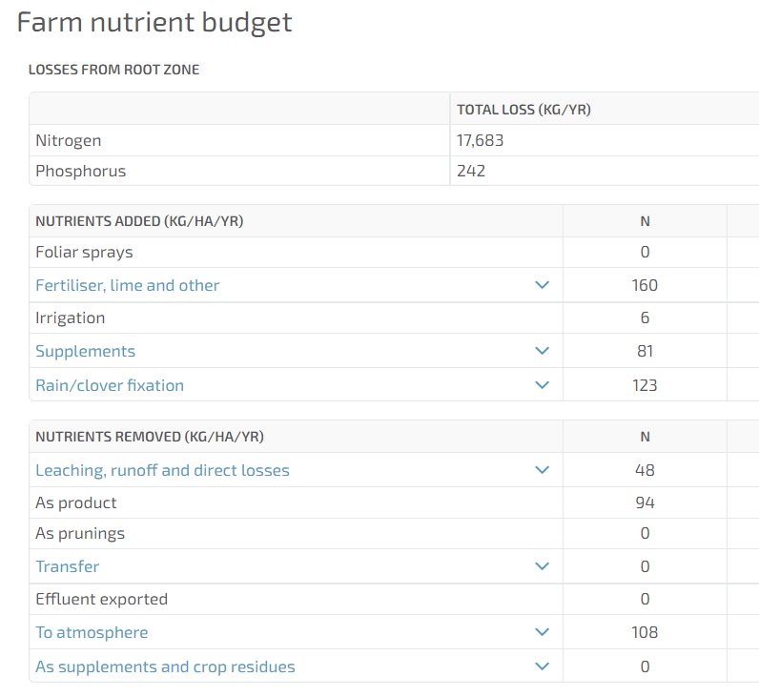
 | Assessment - Purchased N Surplus
 | 2019-20 | 2020/21 | 2021/22 | Proposed Scenario | Obtained from Farm Nutrient Budget within Farm Details Report
Nutrients Added
Fertiliser
Supplements

Nutrients Removed
Product
Supplements and crop residues

Total | 0 | 0 | 0 | 0
3 year rolling average | 0 |  |  | 0
Difference |  |  |  | 0

